Sheet2
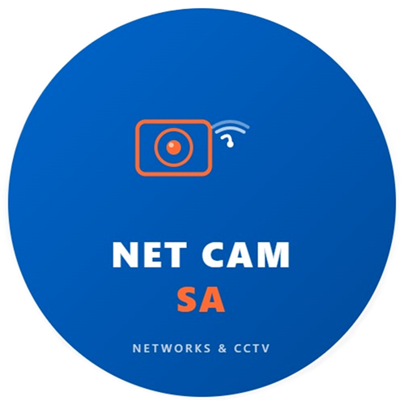

Address: 69 State Road, President Park AH, Midrand |  | DATE : 20 April 2026
Gauteng , South Africa |  | QUOTATION NO : NCS6745 Rev3
Phone No: 075 461 3153
E-Mail: jan@netcamsa.co.za

 |  | QUOTATION VALID : 30 days from date of issue
 |  | PREPARED BY : Jan Naude
Name: Wilna
Company: Zwartkop Christian School
Address: 142 Pine Ave, Bronberrick, Centurion, 0157

Phone No: 0636168049 |  | QUOTATION
E-mail: admin@zwarkopcs.co.za

RE : Zwartkop Christian School - Intercom Analogue

Item nr | Description | Units | Unit Price | Amount
1 | Analogue Push to open Gate Intercom | 1 | R1,250.00 | R1,250.00
2 | Routing with routing material and consumable 20m | 1 | R1,500.00 | R1,500.00
Notes: |  |  | SUBTOTAL | R2,750.00
All Material Available. |  |  | Vat | R412.50
 |  |  | TOTAL | R3,162.50

